Sheet1
Party | Seats won | Vote share | Vote share change | Column1
Brexit Party | 29 | 31.7% | 32% | 31.7%
Lib Dem | 16 | 18.5% | 13% | 18.5%
Labour | 10 | 14.1% | -11% | 14.1%
Greens | 7 | 11.1% | 4% | 11.1%
Conservative | 4 | 8.7% | -15% | 8.7%
SNP | 3 | 3.3% | 0% | 3.3%
Plaid Cymru | 1 | 1.7% | 1% | 1.7%
Change UK | 0 | 2.9% | 3% | 2.9%
UKIP | 0 | 3.6% | -24% | 3.6%
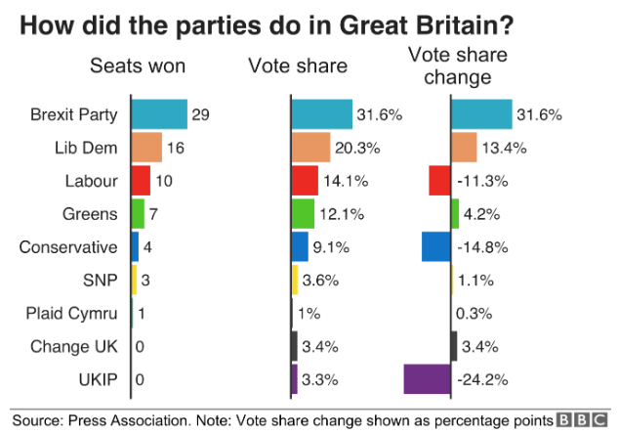

Party | Vote share
Brexit Party | 31.7%
Lib Dem | 18.5%
Labour | 14.1%
Greens | 11.1%
Conservative | 8.7%
UKIP | 3.6%
SNP | 3.3%
Change UK | 2.9%
Plaid Cymru | 1.7%

Party | Vote share change
Brexit Party | 32%
Lib Dem | 13%
Greens | 4%
Change UK | 3%
Plaid Cymru | 1%
SNP | 0%
Labour | -11%
Conservative | -15%
UKIP | -24%

